Sheet
 |  | Trend Report

 |  | Newmont Nevada
 |  |  | Tuesday, April 5, 2022

Component 1702-16-10-41-18-TRH2336 Engine:1 : Caterpillar 795F Engine (CZ) (View: Dirt and Water)

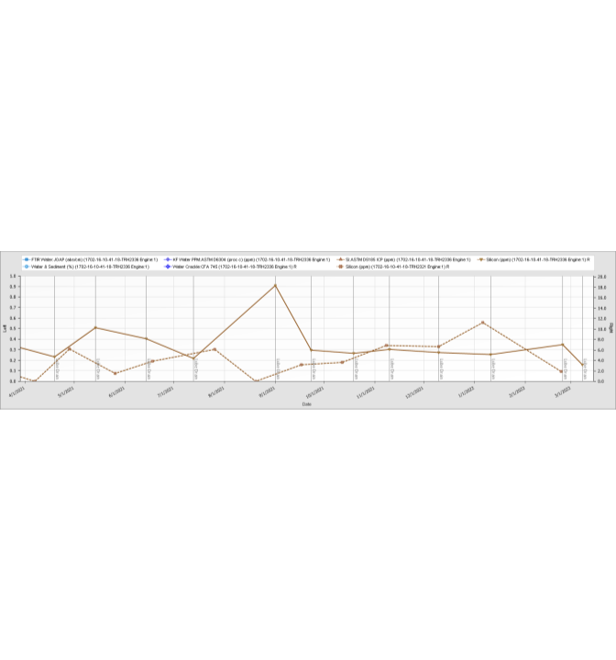

Dingo Trakka | 4.8.8 |  |  | Page 1 of 1

